Sheet1
 |  | Document No. | Issue No. |  | Issue Date |  | Review and Replace Date |  |  | Authorised By
 |  | GFF172MC | 1 |  | 03.04.2020 |  | New Issue |  |  | Magda Shah
 |  | Document Title | CHICKEN DOPIAZA 1250g - Click & Collect
Document amendments reason for change |  | New product launch |  | Page 1 of 1 |  | Previous Issue Date |  | New Issue |  | Uncontrolled copy unless signed original

CCHDP-R1BEB | BOOTHS - CNC |  | CHICKEN DOPIAZA 1250g
STEP 1 |  |  |  |  |  | STEP 2
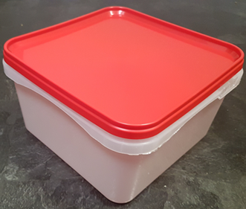 |  |  |  |  |  | 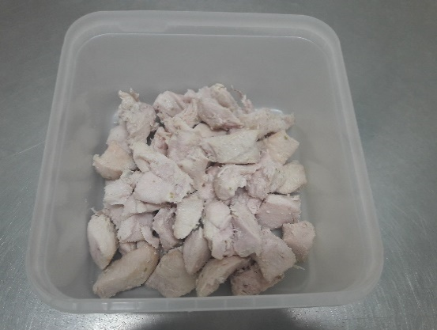

Tray/Lid: SALAD TUB RED LID NATURAL 2.4/4 LTR (PKSHA002-02) |  |  |  |  |  | Marinated British Cooked Chicken 12-14g Diced (GFF164R) 400g

STEP 3
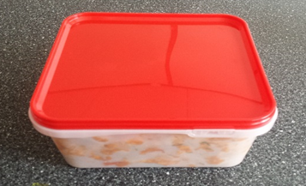 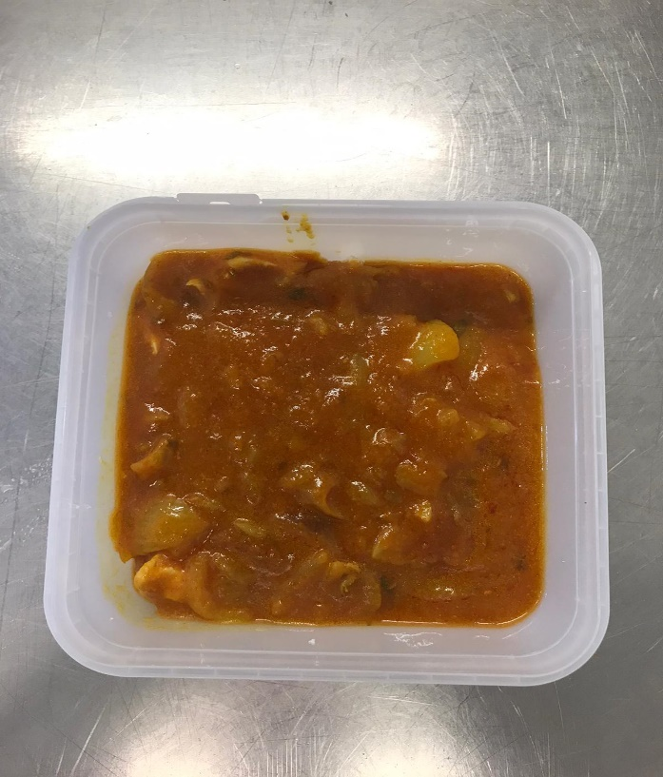

Use by applied from Date of Cooking (the oldest component)

Dopiaza Sauce (GFF131R) 850g |  |  |  |  |  |  |  |  | TOTAL WEIGHT: 1250g
ALLERGY ALERT: BARLEY

